Chart III.12
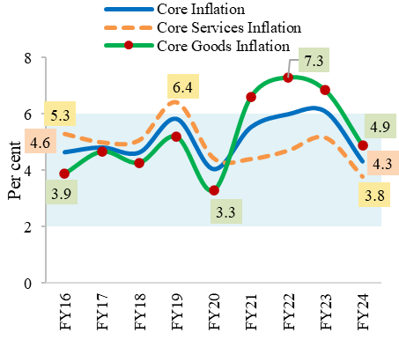
Chart III.13: Core inflation declined to 4 year low
 | Core Inflation | Core Services Inflation | Core Goods Inflation
FY16 | 4.6 | 5.3 | 3.9
FY17 | 4.8 | 5.0 | 4.7
FY18 | 4.6 | 5.1 | 4.3
FY19 | 5.8 | 6.4 | 5.2
FY20 | 4.0 | 4.4 | 3.3
FY21 | 5.5 | 4.4 | 6.6
FY22 | 6.0 | 4.7 | 7.3
FY23 | 6.1 | 5.2 | 6.8
FY24 | 4.3 | 3.8 | 4.9
Source: Consumer Price Indices released by CSO, MoSPI
https://cpi.mospi.gov.in/Default1.aspx

Chart III.14
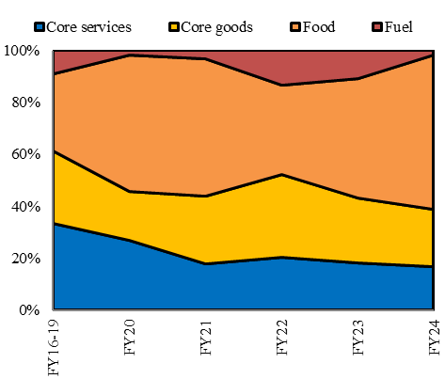
Chart III.14: Contribution of core services inflation lower than pre-pandemic
 | Core services | Core goods | Food | Fuel
FY16-19 | 33.5 | 27.9 | 29.6 | 9.0
FY20 | 26.7 | 19.0 | 52.2 | 1.7
FY21 | 17.7 | 26.1 | 53.1 | 3.1
FY22 | 20.7 | 31.8 | 34.6 | 13.6
FY23 | 18.2 | 24.6 | 46.1 | 10.6
FY24 | 16.6 | 22.1 | 59.7 | 1.6
Source: (i) Consumer Price Indices released by CSO, MoSPI (ii) Survey’s calculations using Consumer Price Indices released by CSO, MoSPI
Note: The contribution does not sum up to 100 due to unavailaibiulty of data during covid period
https://cpi.mospi.gov.in/Default1.aspx

Chart III.15
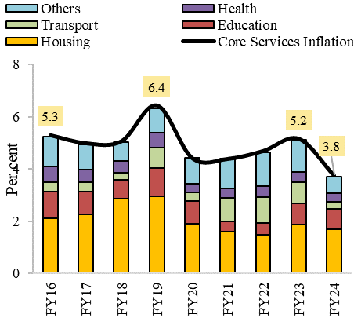
Chart III.15: 9-year low core services inflation driven by lower housing inflation
 | Housing | Education | Transport | Health | Others | Core Services Inflation
FY16 | 2.1 | 1.0 | 0.4 | 0.6 | 1.1 | 5.3
FY17 | 2.3 | 0.9 | 0.3 | 0.5 | 1.0 | 5.0
FY18 | 2.8 | 0.7 | 0.3 | 0.4 | 0.7 | 5.1
FY19 | 2.9 | 1.1 | 0.8 | 0.6 | 0.9 | 6.4
FY20 | 1.9 | 0.8 | 0.3 | 0.4 | 1.0 | 4.4
FY21 | 1.6 | 0.4 | 0.9 | 0.4 | 1.1 | 4.4
FY22 | 1.5 | 0.4 | 1.0 | 0.4 | 1.3 | 4.7
FY23 | 1.9 | 0.8 | 0.8 | 0.4 | 1.2 | 5.2
FY24 | 1.7 | 0.8 | 0.3 | 0.3 | 0.6 | 3.8
Source: (i) Consumer Price Indices released by CSO, MoSPI
(ii) Survey’s calculations using Consumer Price Indices released by CSO, MoSPI
https://cpi.mospi.gov.in/Default1.aspx

Chart III.16
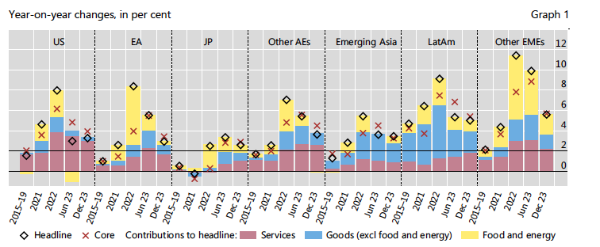
Chart III.16: Persistent core services inflation risk in AEs

Source: Adapted from BIS Quarterly Review, March 2024, Sectoral price dynamics in the last mile of post-Covid-19 disinflation, Graph 1.
https://www.bis.org/publ/qtrpdf/r_qt2403d.htm

Chart III.17
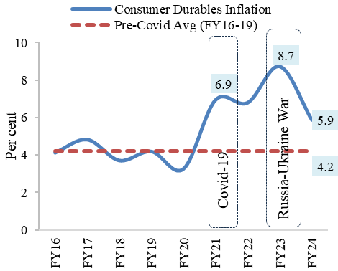
Chart III.17: Consumer durables inflation closing to pre-pandemic levels
 | Consumer Durables Inflation | Pre-Covid Avg (FY16-19)
FY16 | 4.1 | 4.2
FY17 | 4.8 | 4.2
FY18 | 3.7 | 4.2
FY19 | 4.2 | 4.2
FY20 | 3.3 | 4.2
FY21 | 6.9 | 4.2
FY22 | 6.8 | 4.2
FY23 | 8.7 | 4.2
FY24 | 5.9 | 4.2
Source: Survey’s calculations using Consumer Price Indices released by CSO, MoSPI
https://cpi.mospi.gov.in/Default1.aspx

Chart III.19a
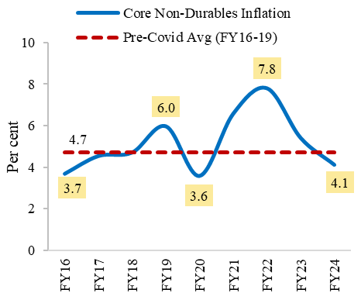
Chart III.19 (a) & (b): Declining transport component led to easing consumer non-durable inflation
 | Core Non-Durables Inflation | Pre-Covid Avg (FY16-19)
FY16 | 3.7 | 4.7
FY17 | 4.5
FY18 | 4.7
FY19 | 6.0
FY20 | 3.6
FY21 | 6.6
FY22 | 7.8
FY23 | 5.4
FY24 | 4.1
Source: Survey’s calculations using Consumer Price Indices released by CSO, MoSPI
https://cpi.mospi.gov.in/Default1.aspx

Chart III.19b
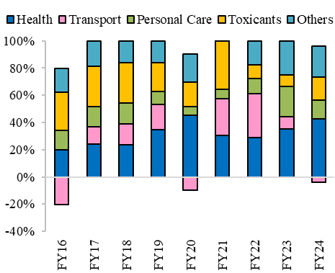
Chart III.19 (a) & (b): Declining transport component led to easing core consumer non-durable inflation
 | Health | Transport | Personal Care | Toxicants | Others
FY16 | 33.7 | -33.8 | 23.3 | 47.1 | 29.7
FY17 | 24.3 | 12.3 | 14.9 | 29.6 | 18.8
FY18 | 23.3 | 15.5 | 15.3 | 29.9 | 16.0
FY19 | 34.7 | 18.5 | 9.6 | 21.2 | 15.9
FY20 | 56.6 | -12.4 | 7.9 | 22.5 | 25.3
FY21 | 30.4 | 26.9 | 6.9 | 35.4 | 0.4
FY22 | 28.7 | 32.5 | 11.1 | 9.9 | 17.7
FY23 | 35.3 | 8.7 | 22.1 | 8.5 | 25.2
FY24 | 46.2 | -4.2 | 15.2 | 18.0 | 24.9
Source: Survey’s calculations using Consumer Price Indices released by CSO, MoSPI
https://cpi.mospi.gov.in/Default1.aspx

Map 1
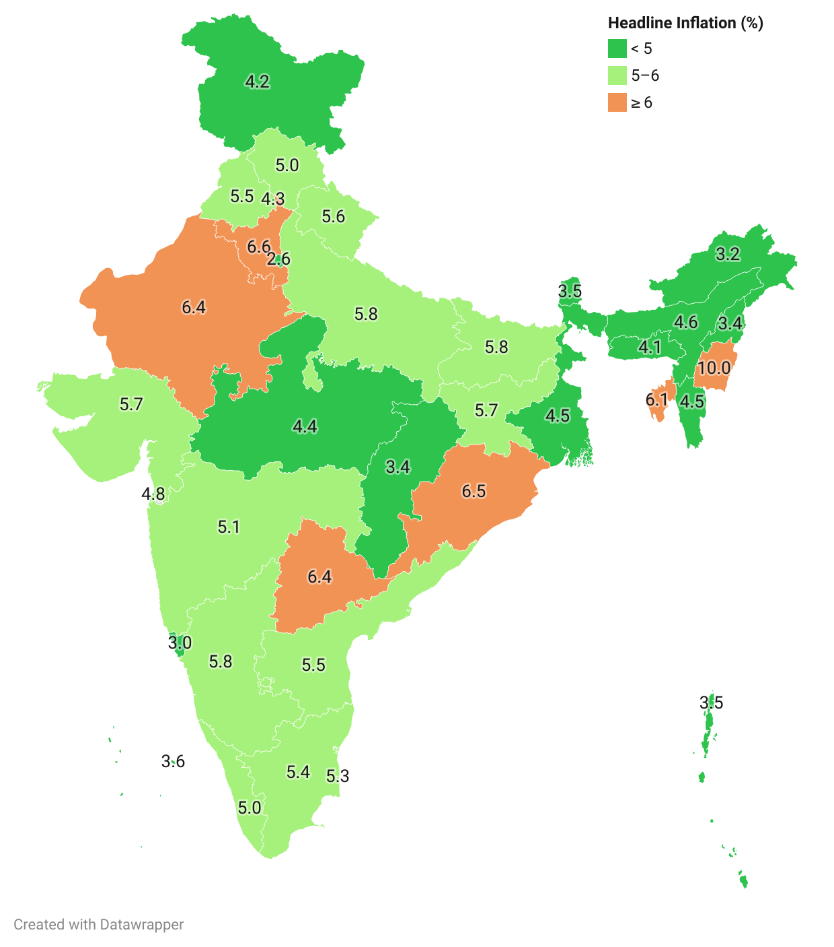
Map 1: Interstate variations in Retail inflation (%) in FY24
Andhra Pradesh | 5.5
Arunachal Pradesh | 3.2
Assam | 4.6
Bihar | 5.8
Chandigarh | 4.3
Chhattisgarh | 3.4
Goa | 3.0
Gujarat | 5.7
Haryana | 6.6
Himachal Pradesh | 5.0
Jharkhand | 5.7
Karnataka | 5.8
Kerala | 5.0
Lakshadweep | 3.6
Madhya Pradesh | 4.4
Maharashtra | 5.1
Manipur | 10.0
Meghalaya | 4.1
Mizoram | 4.5
Nagaland | 3.4
Odisha | 6.5
Puducherry | 5.3
Punjab | 5.5
Rajasthan | 6.4
Sikkim | 3.5
Tamil Nadu | 5.4
Telangana | 6.4
Tripura | 6.1
Uttar Pradesh | 5.8
Uttarakhand | 5.6
West Bengal | 4.5
Andaman & Nicobar Islands | 3.5
Dadra & Nagar Haveli | 6.5
Daman & Diu | 4.8
Jammu & Kashmir | 4.2
NCT of Delhi | 2.6
Source: Prepared from Consumer Price Indices released by CSO, MoSPI
https://cpi.mospi.gov.in/Default1.aspx

Chart III.24
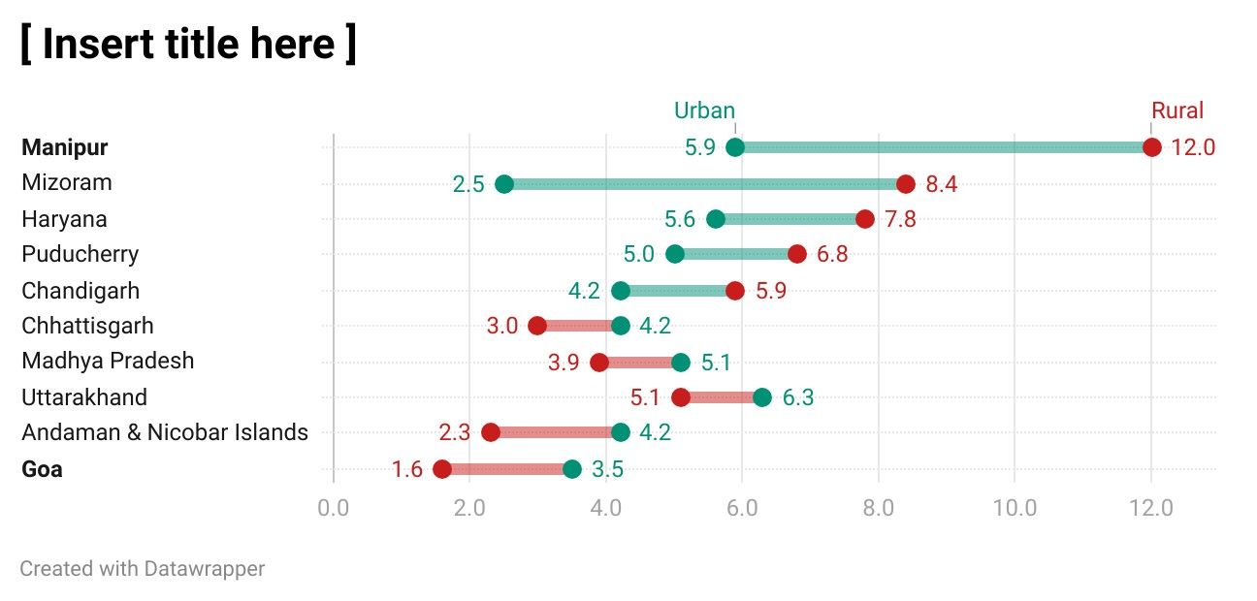
Chart III.24: Interstate variations in rural-urban inflation gap in FY24 (Top 5 States/UTs with highest and lowest gap)
 | Rural | Urban
Manipur | 12.0 | 5.9
Mizoram | 8.4 | 2.5
Haryana | 7.8 | 5.6
Puducherry | 6.8 | 5.0
Chandigarh | 5.9 | 4.2
Chhattisgarh | 3.0 | 4.2
Madhya Pradesh | 3.9 | 5.1
Uttarakhand | 5.1 | 6.3
Andaman and Nicobar Islands | 2.3 | 4.2
Goa | 1.6 | 3.5
Source: Prepared from Consumer Price Indices released by CSO, MoSPI
https://cpi.mospi.gov.in/Default1.aspx

Chart III.26
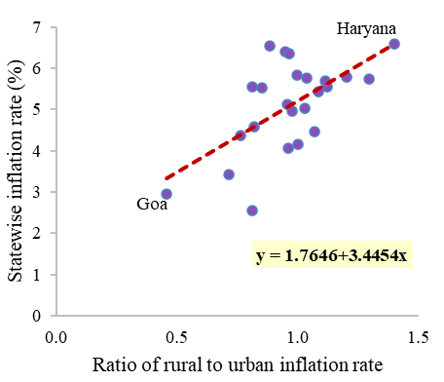
Chart III.26: States with higher inflation rate show a wider rural-urban gap (FY24)
State | Ratio of rural to urban inflation | State wise inflation rate (%)
Andhra Pradesh | 1.1 | 5.5
Assam | 0.8 | 4.6
Bihar | 1.0 | 5.8
Chhattisgarh | 0.7 | 3.4
Delhi | 0.8 | 2.6
Goa | 0.5 | 3.0
Gujarat | 1.1 | 5.7
Haryana | 1.4 | 6.6
Himachal Pradesh | 1.0 | 5.0
Jammu and Kashmir | 1.0 | 4.2
Jharkhand | 1.3 | 5.7
Karnataka | 1.2 | 5.8
Kerala | 1.0 | 5.0
Madhya Pradesh | 0.8 | 4.4
Maharashtra | 1.0 | 5.1
Meghalaya | 1.0 | 4.1
Odisha | 0.9 | 6.5
Punjab | 0.9 | 5.5
Rajasthan | 0.9 | 6.4
Tamil Nadu | 1.1 | 5.4
Telangana | 1.0 | 6.4
Uttar Pradesh | 1.0 | 5.8
Uttarakhand | 0.8 | 5.6
West Bengal | 1.1 | 4.5
Source: Consumer Price Indices released by CSO, MoSPI
Note: The scatter plot is based on a sub-sample of 23 major states and NCT of Delhi
https://cpi.mospi.gov.in/Default1.aspx

Chart III.27
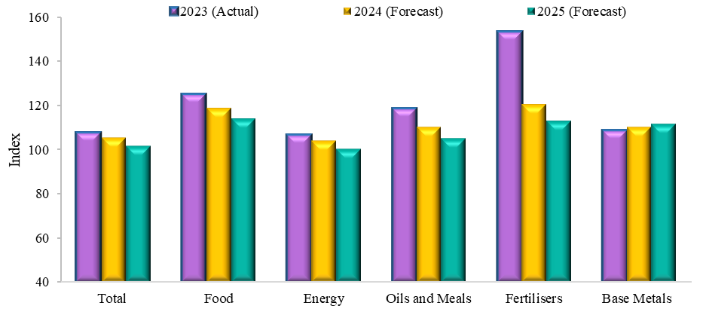
Chart III.27: Expected decline in global commodity prices in 2025
 | 2023 (Actual) | 2024 (Forecast) | 2025 (Forecast)
Total | 108.0 | 105.3 | 101.6
Food | 125.4 | 118.5 | 113.9
Energy | 106.9 | 104.0 | 100.0
Oils and Meals | 118.9 | 110.2 | 104.9
Fertilisers | 153.5 | 120.2 | 112.9
Base Metals | 109.0 | 109.9 | 111.5
Source: World Bank Commodity Price Forecast released in April 2024
Note: (i) Total price index is composed of energy and non-energy prices (excluding precious metals), weighted by their share in 2002-04 exports.
(ii) The energy price index includes coal (Australia), crude oil (Brent), and natural gas (Europe, Japan, U.S.).
(iii) Metals & minerals include iron ore, aluminium, copper, lead, nickel, tin, and zinc.
https://www.worldbank.org/en/research/commodity-markets#3

