Chart VII.1
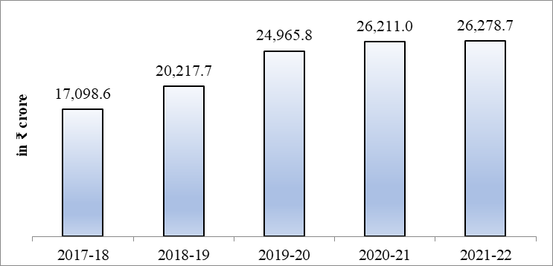
Chart VII.1(a) Annual CSR spending in India (in ₹ crore)
FY | Annual CSR spending (in ₹ cr)
2017-18 | 17098.6
2018-19 | 20217.7
2019-20 | 24965.8
2020-21 | 26211.0
2021-22 | 26278.7
Source: Ministry of Corporate Affairs web portal
https://www.mca.gov.in/content/csr/global/master/home/home.html
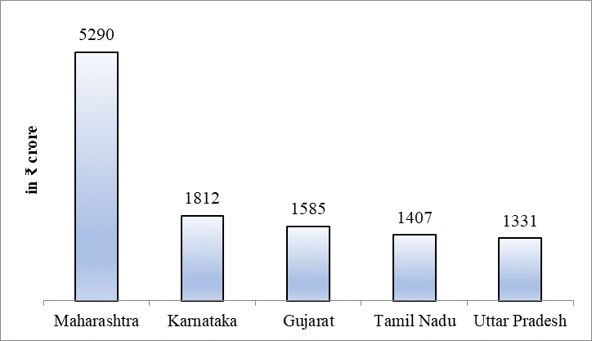
Chart VII.2(a) Total CSR Spent: Top five States, FY22
 | in ₹ cr
Maharashtra | 5290
Karnataka | 1812
Gujarat | 1585
Tamil Nadu | 1407
Uttar Pradesh | 1331
Source: Ministry of Corporate Affairs web portal
https://www.mca.gov.in/content/csr/global/master/home/home.html

Chart VII.2
Chart VII.2: Decline in Multidimensional Poverty
(a) Headcount Ratio of Multidimensional Poverty |  |  | (b) Intensity of Multidimensional Poverty
 | 2015-16 | 2019-21 |  | 2015-16 | 2019-21
India | 24.9% | 15.0% | India | 47.1% | 44.4%
Rural | 32.6% | 19.3% | Rural | 47.4% | 44.6%
Urban | 8.7% | 5.3% | Urban | 45.3% | 43.1%
Source: NITI Aayog, MPI Report 2023
https://www.niti.gov.in/sites/default/files/2023-08/India-National-Multidimentional-Poverty-Index-2023.pdf
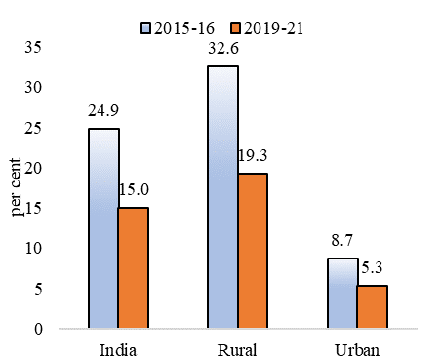
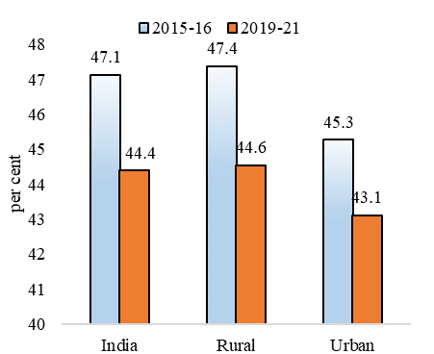

Chart VII.3
Chart VII.3: Decline in the deprivations across the multidimensionally poor population
Percentage of population multidimensionally poor and deprived
 | Nutrition | Child & Adolescent Mortality | Maternal Health | Years of Schooling | School Attendance | Cooking Fuel | Sanitation | Drinking Water | Electricity | Housing | Assets | Bank Account
2015-16 | 19.8 | 1.9 | 14.6 | 10.7 | 5.2 | 23.0 | 21.2 | 5.1 | 8.3 | 20.5 | 8.8 | 5.4
2019-21 | 11.9 | 1.2 | 9.4 | 6.6 | 3.6 | 12.3 | 9.3 | 2.2 | 1.8 | 12.1 | 4.7 | 1.1
Source: NITI Aayog MPI Report 2023
https://www.niti.gov.in/sites/default/files/2023-08/India-National-Multidimentional-Poverty-Index-2023.pdf
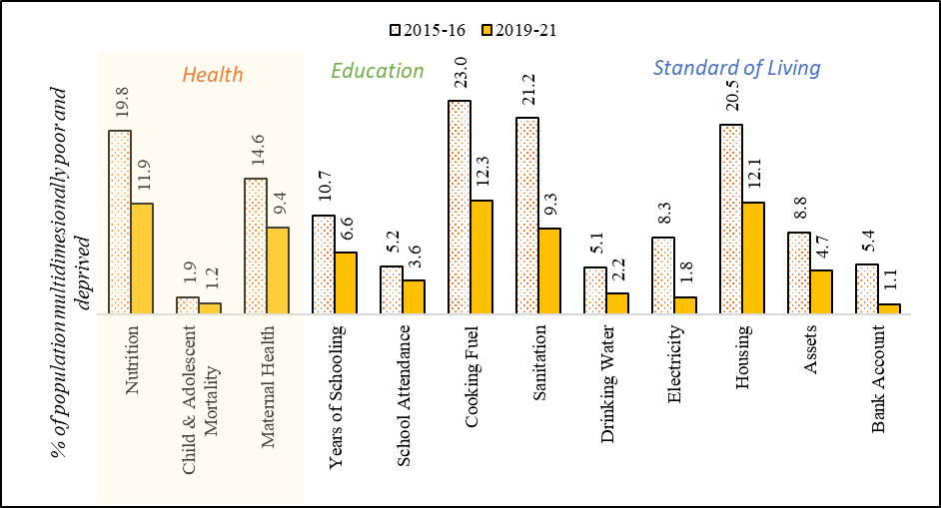

Chart VII.4
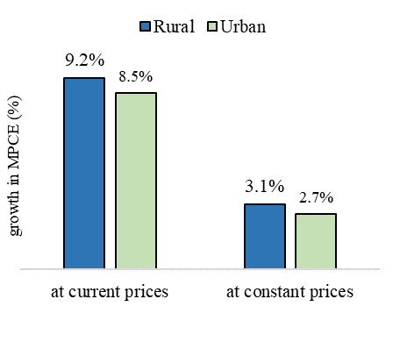
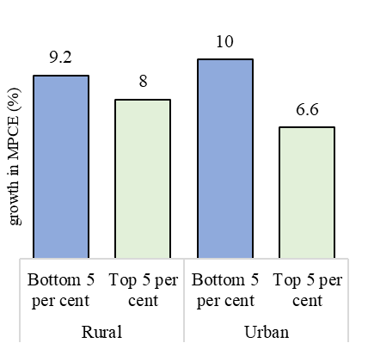
Chart VII.3: CAGR in MPCE: 2011-12 to 2022-23
(a) Positive yearly growth in both real and nominal terms |  |  | (b) The bottom 5% fractile saw higher growth than the top 5% fractile
 | at current prices | at constant prices |  | Bottom 5% | Top 5%
Rural | 9.2% | 3.1% | Rural | 9.2% | 8.0%
Urban | 8.5% | 2.7% | Urban | 10.0% | 6.6%
Source: Factsheet of HCES 2022-23, MoSPI
https://www.mospi.gov.in/publication/factsheet-household-consumption-expenditure-survey-hces2022-23

Chart VII.5(a)
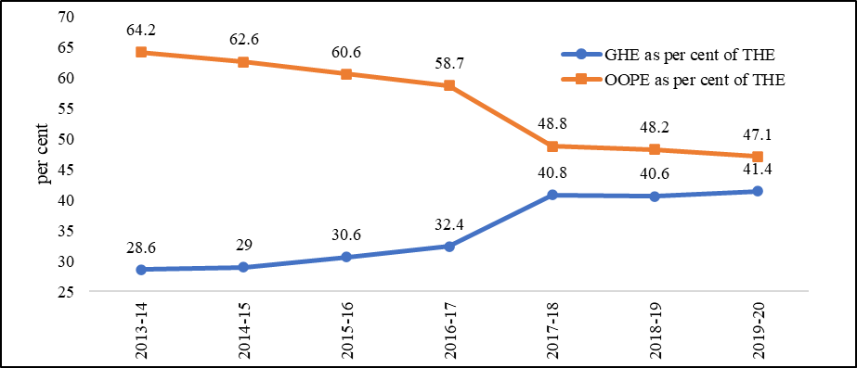
Chart VII.5(a): Government Health Expenditure and Out of Pocket Expenditure as per cent of Total Health Expenditure
Indicator | 2013-14 | 2014-15 | 2015-16 | 2016-17 | 2017-18 | 2018-19 | 2019-20
GHE as per cent of THE | 28.6 | 29 | 30.6 | 32.4 | 40.8 | 40.6 | 41.4
OOPE as per cent of THE | 64.2 | 62.6 | 60.6 | 58.7 | 48.8 | 48.2 | 47.1
Source: National Health Accounts, https://main.mohfw.gov.in/sites/default/files/5NHA_19-20_dt%2019%20April%202023_web_version_1.pdf

Chart VII.5(b)
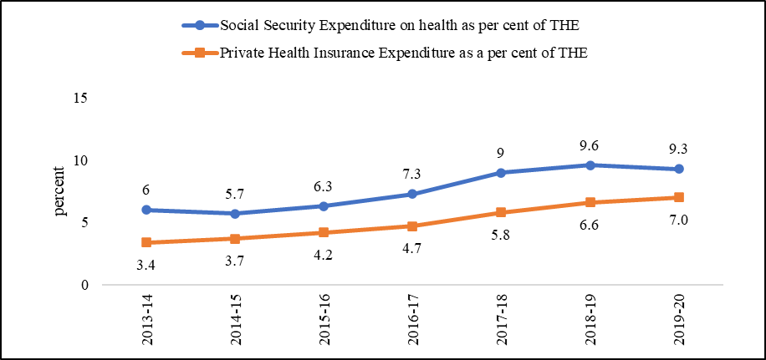
Chart VII.5(b): Social Security Expenditure and Private Health Insurance Expenditure as per cent of Total Health Expenditure
Indicator | 2013-14 | 2014-15 | 2015-16 | 2016-17 | 2017-18 | 2018-19 | 2019-20
Social Security Expenditure on health as per cent of THE | 6 | 5.7 | 6.3 | 7.3 | 9 | 9.6 | 9.3
Private Health Insurance Expenditure as a per cent of THE | 3.4 | 3.7 | 4.2 | 4.7 | 5.8 | 6.6 | 7
Source: National Health Accounts, https://main.mohfw.gov.in/sites/default/files/5NHA_19-20_dt%2019%20April%202023_web_version_1.pdf

Chart VII.6
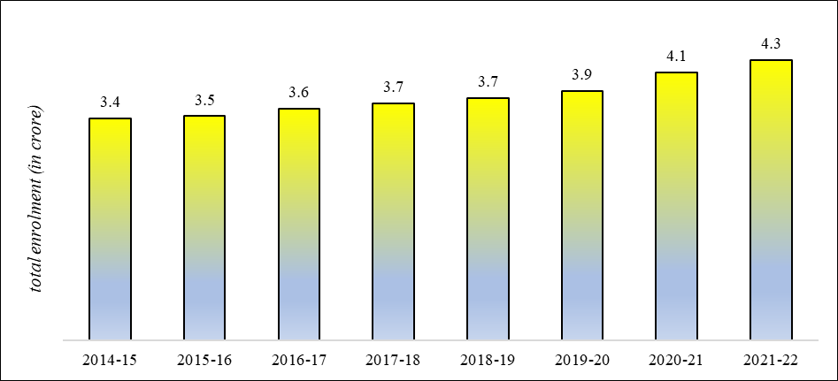
Chart VII.6: Total Students’ Enrolments in Higher Education
FY | Enrolment in crore
2014-15 | 3.4
2015-16 | 3.5
2016-17 | 3.6
2017-18 | 3.7
2018-19 | 3.7
2019-20 | 3.9
2020-21 | 4.1
2021-22 | 4.3
Source: All India Survey on Higher Education (AISHE) report 2021-22, Ministry of Education
https://aishe.gov.in/aishe-final-report/

Chart VII.7
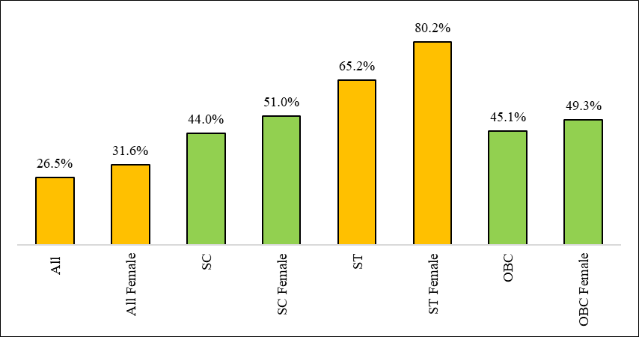
Chart VII.7: Growth in Enrolment in higher education institutions between 2014-15 and 2021-22 (per cent)
 | Growth (%)
All | 26.5%
All Female | 31.6%
SC | 44.0%
SC Female | 51.0%
ST | 65.2%
ST Female | 80.2%
OBC | 45.1%
OBC Female | 49.3%
Source: AISHE 2021-22, Dept. of Higher Education, Ministry of Education
https://aishe.gov.in/aishe-final-report/

Chart VII.8
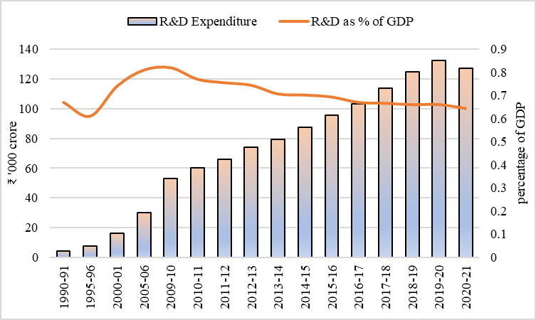
Chart VII.8: Gross Expenditure on R&D
Year | R&D Expenditure (Rs. Crore) | R&D Expenditure | R&D as % of GDP
1990-91 | 3974.17 | 4.0 | 0.67
1995-96 | 7483.88 | 7.5 | 0.61
2000-01 | 16198.80 | 16.2 | 0.74
2005-06 | 29932.58 | 29.9 | 0.81
2009-10 | 53041.30 | 53.0 | 0.82
2010-11 | 60196.75 | 60.2 | 0.77
2011-12 | 65961.33 | 66.0 | 0.76
2012-13 | 73982.79 | 74.0 | 0.74
2013-14 | 79355.89 | 79.4 | 0.71
2014-15 | 87473.44 | 87.5 | 0.70
2015-16 | 95452.44 | 95.5 | 0.69
2016-17 | 103099.26 | 103.1 | 0.67
2017-18 | 113825.03 | 113.8 | 0.67
2018-19 | 124740.14 | 124.7 | 0.66
2019-20 | 132567.01 | 132.6 | 0.66
2020-21 | 127380.96 | 127.4 | 0.64
Source: Inputs from Dept of Science and Technology

Chart VII.10
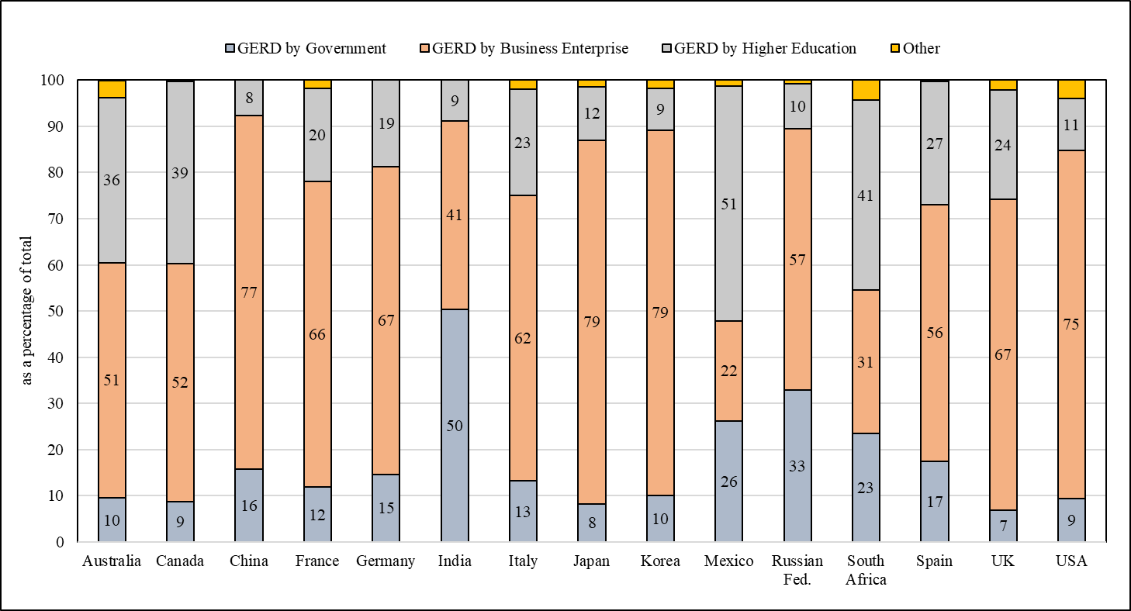
Chart VII.10: Participation of Government, Business Enterprise & Higher Education Sector, 2020
Country | GERD by Government | GERD by Business Enterprise | GERD by Higher Education | Other | Total
Australia | 10 | 51 | 36 | 4 | 100
Canada | 9 | 52 | 39 | 0 | 100
China | 16 | 77 | 8 | 0 | 100
France | 12 | 66 | 20 | 2 | 100
Germany | 15 | 67 | 19 | 0 | 100
India | 50 | 41 | 9 | 0 | 100
Italy | 13 | 62 | 23 | 2 | 100
Japan | 8 | 79 | 12 | 1 | 100
Korea | 10 | 79 | 9 | 2 | 100
Mexico | 26 | 22 | 51 | 1 | 100
Russian Fed. | 33 | 57 | 10 | 1 | 100
South Africa | 23 | 31 | 41 | 4 | 100
Spain | 17 | 56 | 27 | 0 | 100
UK | 7 | 67 | 24 | 2 | 100
USA | 9 | 75 | 11 | 4 | 100
Source: MSTI, September 2022 and India-Data collected & compiled by NSTMIS, DST, GoI
Note: Reference year: 2019-Australia, South Africa & UK

